Capability compass
STEP 2 – Capability Compass:

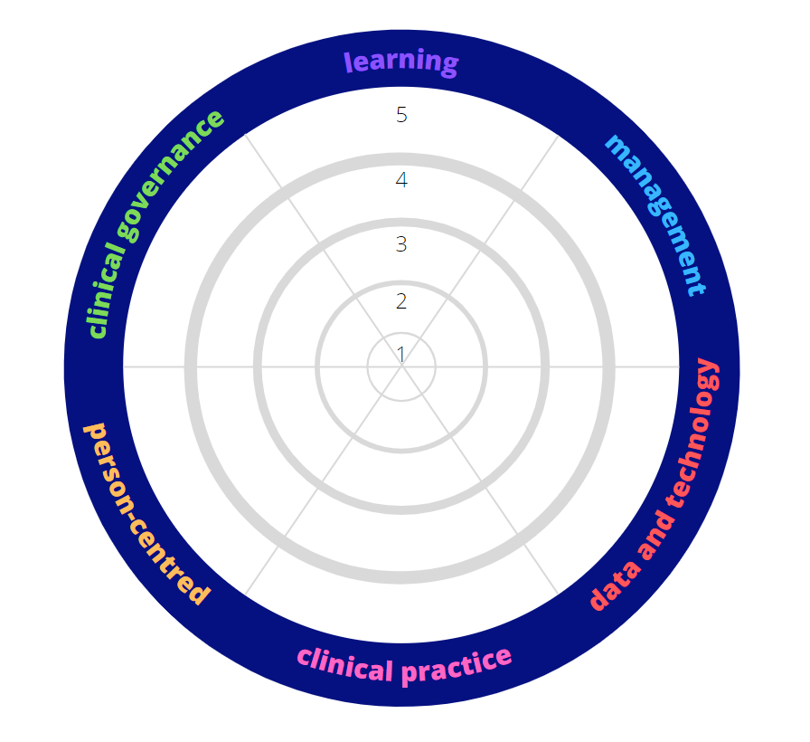
Enter the average scores for each domain from the 'Average Score' coloumn of the Reflection sheet into the below table. Round the numbers to one decimal place.
 | 5
 | 5
 | 5
 | 5
 | 5
 | 5
 | 5
 | 5
5
4
3
2
1
 | 5 | learning
 | 5 | management
 | 5 | data and technology
 | 5 | clinical practice
 |  | person-centred
 |  | clinical governance

